Bug Report
BUG REPORT
Bug ID | B01/1/B1/BUG1 ETC | Auto
Module | Login
Requirements/Submodule/Feature | Login page requirement
Test Case Name | TC2
Release/Server | QA
Status | New/Open/tO-DO | Auto
Reporter | Owner | Auto
Date | 2022-07-13 | Auto
Assign To | Developer
CC | TL/PM | NA
Severity | S1
Priority | P2
Platform | Web,MOBILE,DATABASE,API
Build No. | 1 | NA
Test Data | Username = aDMIN and password = admin123
Attachment | NA
Navigation Steps | 1. Open URL 2. Enter Valid Username with different cases and correct password 3. Click on Login button
Expected Result | Login should not happen when entered wrong username in different case | 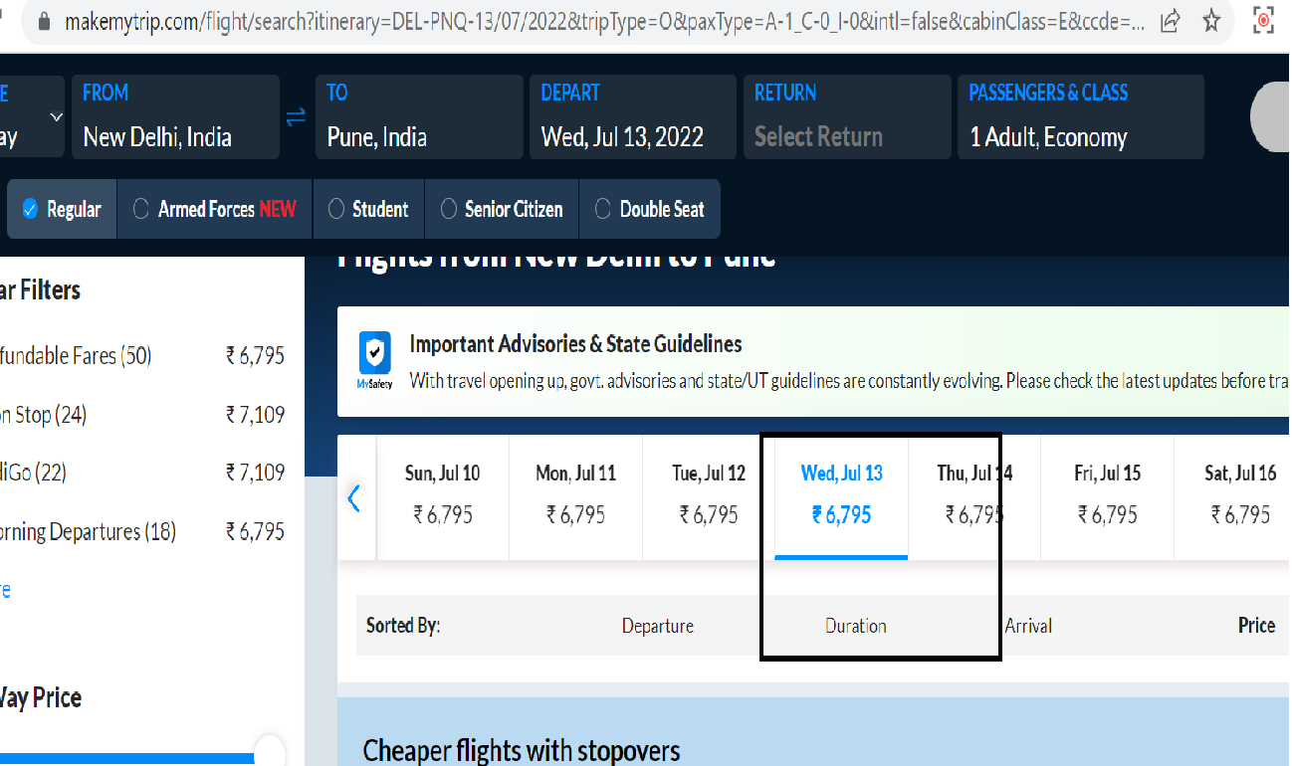
Actual Result | Login happens when entered Username with different case

